Table S-10
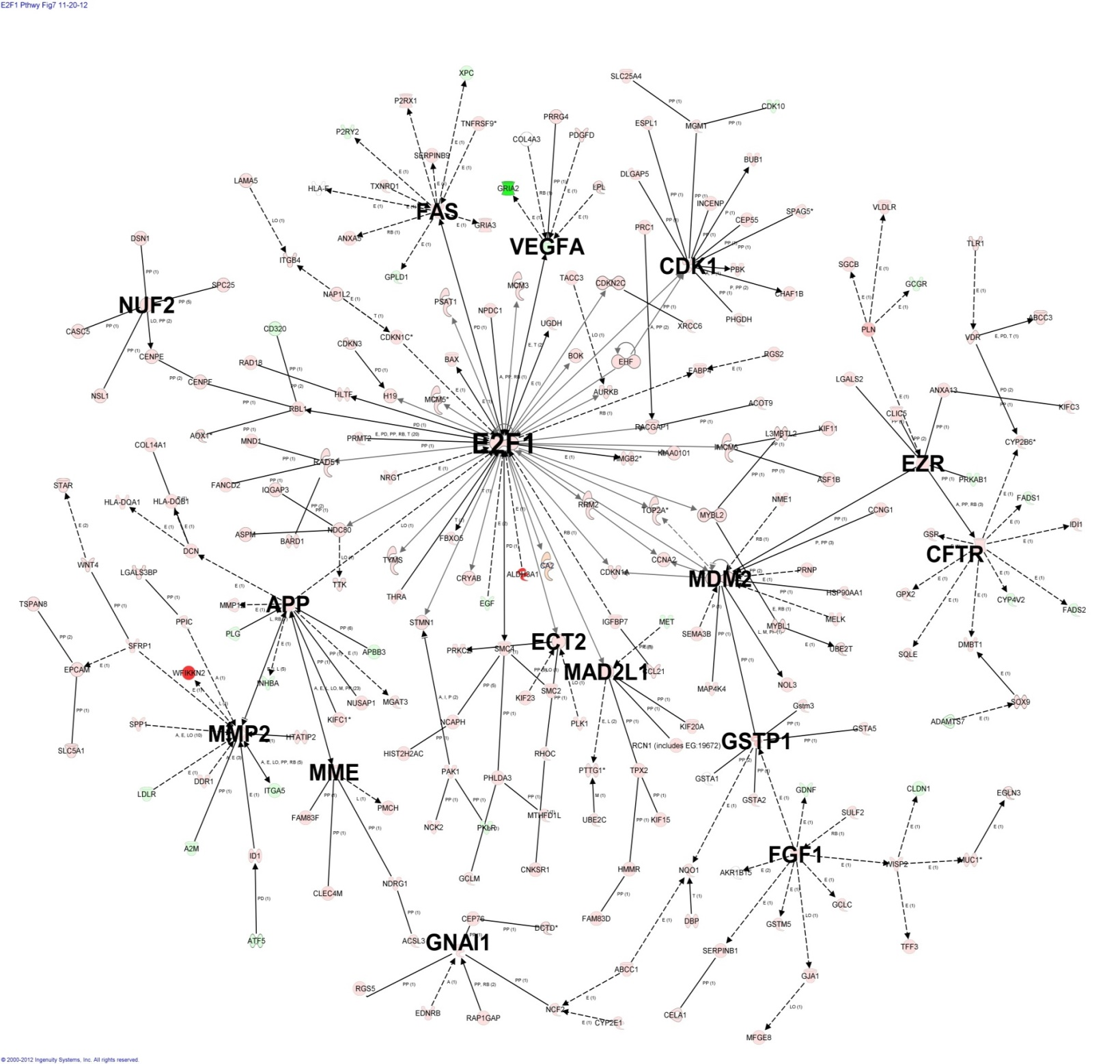
E2F1 Regulated and Downstream Pathways
Symbol | Synonym(s) | Entrez Gene Name | RefSeq | Fold Change | E2F1 Genes with >5 Pathway Connections
WFIKKN2 | 2610304F08RIK, AY100450, GASP-1, hGASP-1, MGC130508, RGD1305361, RP23-244C22.2, UNQ9235/PRO31996, WFIKKNRP | WAP, follistatin/kazal, immunoglobulin, kunitz and netrin domain containing 2 | XM_220855 | 442.35
ALDH3A1 | Ahd-4, AHDC, Aldehyde Dehydrogenase, ALDEHYDE DEHYDROGENASE 3 FAMILY, MEMBER A1, Aldh, ALDH3, ALDHIII, MGC10406, RP23-55I2.1, T-aldh | aldehyde dehydrogenase 3 family, member A1 | NM_031972 | 302.38
GSTP1 | DFN7, FAEES3, GLUTATHIONE S TRANSFERASE PHI, Glutathione s-transferase, chain b, Gm3934, GST P1-1, GST PI, Gst pi-class subunit 7, Gst Yf, GST-P, GST3, Gst7-7, Gst7pi, Gstp2, GSTpiA, GstpiB, Lysyl Oxidase 2, MGC72668, MGC72669, PI | glutathione S-transferase pi 1 | NM_012577 | 73.57 | 7
PLN | CMD1P, CMH18, PLB, Plm, RP3-509L4.2 | phospholamban | NM_022707 | 65.28
CLEC4M | Clec4m, Dc-signr, mSIGNR3, RGD1561104, SIGN-R3 | CD209d antigen | NM_001108849 | 38.16
VDR | BOS 5154, NR1I1 | vitamin D (1,25- dihydroxyvitamin D3) receptor | NM_017058 | 28.03
GPX2 | GI-GPx, GPRP, GPRP-2, GPX-GI, GSHPx-2, GSHPX-GI | glutathione peroxidase 2 (gastrointestinal) | NM_183403 | 22.71
MYBL2 | B-MYB, MGC15600, MYB-Related Protein B, MYBB, RP23-335N12.7 | v-myb myeloblastosis viral oncogene homolog (avian)-like 2 | NM_001106536 | 21.11
ABCC3 | 1700019L09Rik, ABC31, ATP-binding cassette C3, cMOAT2, DKFZp686E22157, EST90757, MLP2, MOAT-D, MRP3, Multidrug Resistant Protein 3, RP23-65I14.2 | ATP-binding cassette, sub-family C (CFTR/MRP), member 3 | NM_080581 | 12.93
CNKSR1 | BC037758, CNK, CNK1, CONNECTOR ENHANCER OF KSR-LIKE, KSR, MGC124829, RP23-354H24.4 | connector enhancer of kinase suppressor of Ras 1 | NM_001039011 | 12.47
LAMA5 | AA408760, AA408762, AI853660, KIAA1907, Laminin alpha 5, laminin-511, mKIAA0533, RP11-157P1.6, RP23-16P3.3, [a]5 | laminin, alpha 5 | NM_001191609 | 11.56
PHGDH | 3-PGDH, 4930479N23, A10, MGC105399, MGC113796, MGC117966, MGC3017, PDG, PGAD, PGD, PGDH, PGDH3, RP4-683H9.1, SERA | phosphoglycerate dehydrogenase | NM_031620 | 9.34
CA2 | AI131712, CA-II, CAR2, Carbonic anhydrase 2, Ltw-5, Lvtw-5 | carbonic anhydrase II | NM_019291 | 9.30
FAM83F | AW544981, MGC27770, RGD1562089, RP3-496C20.4 | family with sequence similarity 83, member F | NM_001130502 | 7.49
DMBT1 | CRP, CRP-[a], CRP-[b], Crpd, DBMT1, FLJ61058, gp300, GP340, hensin, LOC691969, MGC164738, muclin, p80, RP11-481L19.1 | deleted in malignant brain tumors 1 | NM_022849 | 7.06
SOX9 | 2010306G03Rik, AV220920, CMD1, CMPD1, KIAA4243, mKIAA4243, RP23-36D5.1, SRA1 | SRY (sex determining region Y)-box 9 | XM_003750950 | 6.42
MYBL1 | A-MYB, G1-419-6, MGC120059, MGC120061, MGC123416, repro9 | v-myb myeloblastosis viral oncogene homolog (avian)-like 1 | NM_001106632 | 6.29
DDR1 | 6030432F18, AI323681, CAK, CD167, CD167a, CD167a antigen, CR974483.1, DAAP-278B20.1, DDR, Drd1, EDDR1, HGK2, MCK10, NEP, NTRK4, PTK3, PTK3A, PTK3D, RTK6, TRKE, Tyrosine kinase DDR | discoidin domain receptor tyrosine kinase 1 | NM_001166022 | 6.20
NQO1 | AV001255, DHQU, DIA4, DT-diaphorase, DTD, MGC93075, NAD DT-diaphorase, NAD(P)H dehydrogenase, quinone 1, Nadph dehydrogenase, Nadph diaphorase, Nadph Quinone Oxidoreductase-1, NMO1, NMOR, NMOR1, NMORI, Nqo, Ox-1, QR1, Quinone reductase | NAD(P)H dehydrogenase, quinone 1 | NM_017000 | 6.17
FABP4 | 422/aP2, A-fab, A-FABP, Adipocyte fatty acid binding, ALBP, ALBP/Ap2, AP2, Ap2 lipid-binding protein, Lbpl | fatty acid binding protein 4, adipocyte | NM_053365 | 5.98
GRIA3 | 2900064I19RIK, GluA3, GLUR-C, GLUR-K3, GLUR3, Gluralpha3, KIAA4184, mKIAA4184, MRX94, RP11-349N19.3, RP23-471M13.1 | glutamate receptor, ionotropic, AMPA 3 | NM_001112742 | 5.97
CFTR | ABC35, ABCC7, AW495489, CF, CFTR/MRP, dJ760C5.1, MRP7, RGD1561193, tcag7.78, TNR-CFTR | cystic fibrosis transmembrane conductance regulator (ATP-binding cassette sub-family C, member 7) | NM_031506 | 5.90 | 10
CDKN1C | AL024410, BWCR, BWS, CDK INHIBITOR 1C, CDKI, KIP2, MGC112585, p57, p57(kip2), p57KIP2, WBS | cyclin-dependent kinase inhibitor 1C (p57, Kip2) | NM_001033757 | 5.65
WISP2 | CCN5, CRGR4, CT58, CTGF-L, Rcop1, RP11-445H22.2, RP23-161B3.1 | WNT1 inducible signaling pathway protein 2 | NM_031590 | 5.03
SFRP1 | 2210415K03RIK, AW011917, AW107218, AW742929, BOS 23882, FRP, FRP-1, FrzA, SARP2, SECRETED FRIZZLE-RELATED SEQUENCE, Secreted frizzled-related 1 | secreted frizzled-related protein 1 | XM_224987 | 5.02
NAP1L2 | BPX, MGC26243 | nucleosome assembly protein 1-like 2 | NM_001024789 | 4.80
RAD51 | AV304093, BRCC5, HRAD51, HsRad51, HsT16930, MRMV2, RAD51A, RECA, RECA-LIKE, RGD1563603, RP23-15I21.4 | RAD51 homolog (S. cerevisiae) | NM_001109204 | 4.36
KIAA0101 | 2810417H13Rik, AA409629, FLJ58702, L5, MGC29306, mKIAA0101, Ns5apt9, NS5ATP9, OEATC, OEATC-1, p15(PAF), p15/PAF, p15PAF, PAF | KIAA0101 | NM_201418 | 4.34
PBK | 2810434B10Rik, AW538537, CT84, D14Ertd732e, FLJ14385, Nori-3, SPERMATOGENESIS RELATED PROTEIN KINASE, SPK, TOPK | PDZ binding kinase | NM_001079937 | 4.29
Increased expression
MGMT | AGAT, AGT, AI267024, MGC107020, O6-ALKYLGUANINE DNA ALKYLTRANSFERASE, RP11-109A6.1 | O-6-methylguanine-DNA methyltransferase | NM_012861 | 4.29
Decreased expression
SGCB | A3b, AI747103, AI844814, Beta sacroglycan, BETA SARCOGLYCAN, beta-SG, LGMD2E, LOC687025, SGC | sarcoglycan, beta (43kDa dystrophin-associated glycoprotein) | NM_001191068 | 4.27
RRM2 | AA407299, LOC100359539, MGC113712, MGC116120, R2, Ribonucleoside-diphosphate reductase M2 subunit, Ribonucleotide reductase non-heme subunit, RIBONUCLEOTIDE REDUCTASE SMALL SUBUNIT, Rnr-r2, RNRII, RR2, RR2M | ribonucleotide reductase M2 | NM_001025740 | 4.27
SEMA3B | AW208495, FLJ34863, LUCA-1, RP23-456B9.1, SemA, SEMA5, SEMAA, semaV | sema domain, immunoglobulin domain (Ig), short basic domain, secreted, (semaphorin) 3B | NM_001079942 | 4.26
PDGFD | 1110003I09Rik, IEGF, MGC26867, MSTP036, rSCDGF-B, SCDGF-B | platelet derived growth factor D | NM_023962 | 4.23
CHAF1B | 2600017H24Rik, C76145, CAF-1, CAF-1 subunit B, CAF-I 60 kDa subunit, CAF-IP60, CAF1A, CAF1P60, MPHOSPH7, MPP7 | chromatin assembly factor 1, subunit B (p60) | NM_001024741 | 4.17
TSPAN8 | C76990, CO-029, CO-29, E330007O21Rik, MGC38363, TM4SF3 | tetraspanin 8 | NM_133526 | 4.13
NCAPH | A730011O11Rik, BRRN1, CAP-H, HCAP-H, LOC680089, LOC688088, MGC38424, mKIAA0074 | non-SMC condensin I complex, subunit H | XR_086214 | 4.12
CDK1 | CDC2, CDC2 kinase, CDC28A, Cdc2a, DKFZp686L20222, GROWTH-ASSOCIATED HISTONE H1 KINASE, MGC111195, p34, P34CDC2 | cyclin-dependent kinase 1 | NM_019296 | 3.97 | 12
TFF3 | ITF, mITF, P1.b, P1B, TFI, TIFF3 | trefoil factor 3 (intestinal) | NM_013042 | 3.97
EHF | 9030625L19Rik, AU019492, ESE3, ESEJ, RP23-266F3.1 | ets homologous factor | NM_001106493 | 3.79
MELK | AI327312, HPK38, KIAA0175, Maternal embryonic leucine zipper kinase, mKIAA0175, MPK38, Protein kinase PK38, RP11-8N6.1, RP23-382O11.1 | maternal embryonic leucine zipper kinase | NM_001108662 | 3.79
NOL3 | ARC, B430311C09Rik, FLJ35304, MYC, NOP, NOP30 | nucleolar protein 3 (apoptosis repressor with CARD domain) | NM_053516 | 3.78
SLC5A1 | D22S675, MGC93553, NAGT, RP1-127L4.1, SGLT1 | solute carrier family 5 (sodium/glucose cotransporter), member 1 | NM_013033 | 3.72
P2RX1 | AI323649, BB122383, P2x, P2X1, P2XMR, PDCD3, RP-2, RP23-263M10.1 | purinergic receptor P2X, ligand-gated ion channel, 1 | NM_012997 | 3.66
NCF2 | FLJ93058, NADPH OXIDASE, NOXA2, NSF2, p67, P67-PHOX, RP1-127C7.5 | neutrophil cytosolic factor 2 | NM_001100984 | 3.58
CDKN2C | C77269, CDKN6, INK4C, INK4d, p18, p18-INK4C, p18-INK6, RP11-278J17.2, RP23-320F19.3 | cyclin-dependent kinase inhibitor 2C (p18, inhibits CDK4) | NM_131902 | 3.53
EGLN3 | 2610021G09Rik, AI505553, AI648162, FLJ21620, HIFP4H3, HIFPH3, MGC125998, MGC125999, PHD-3, SM-20 | egl nine homolog 3 (C. elegans) | NM_019371 | 3.44
ESPL1 | AL024103, AU045071, CERP, ESP1, FLJ46492, KIAA0165, PRCE, SEPA, SEPARASE, SSE | extra spindle pole bodies homolog 1 (S. cerevisiae) | NM_001170602 | 3.41
CLIC5 | 5730531E12Rik, B330005L24, CLIC5A, FLJ90663, Gm322, jbg, MST130, MSTP130, RP11-546O15.1 | chloride intracellular channel 5 | NM_053603 | 3.40
CCNG1 | AI314029, CCNG, CYCG, CYCLIN G1, MGC93642, RP23-382C18.1 | cyclin G1 | NM_012923 | 3.30
DSN1 | 1700022L09Rik, AW552447, C20orf172, dJ469A13.2, FLJ13346, hKNL-3, KNL3, MGC116180, MGC32987, MIS13, Q9H410, RP23-430P1.2, RP3-469A13.1 | DSN1, MIND kinetochore complex component, homolog (S. cerevisiae) | NM_001025768 | 3.27
PTTG1 | AW555095, C87862, EAP1, HPTTG, MGC126883, MGC138276, Pituitary tumor transforming 1, PITUITARY TUMOR TRANSFORMING GENE PROTEIN1, PTTG, Pttg3, RP23-26M1.2, Securin, TUTR1 | pituitary tumor-transforming 1 | NM_022391 | 3.24
SPP1 (includes EG:20750) | 2AR, Apl-1, BNSP, Bone Sialoprotein, Bopn, BOS 6536, Bsp, BSPI, Eta, ETA-1, LOC100359743, LOC100503439, MGC110940, NEPHROPONTIN, OP, OPN, OPNI, Opnl, OSP, Osteopontin, PSEC0156, Ric, Secreted phosphoprotein 1, SPP1 isoform 1, UROPONTIN | secreted phosphoprotein 1 | NM_012881 | 3.22
MUC1 | CA 15-3, CD227, EMA, EMA1, Episialin, H23AG, KL-6, MAM6, MGC188069, MUC-1/SEC, MUC-1/X, MUC1-beta, MUC1-CT, Mucin, Mucin 1 (episialin), Mucin-1 subunit beta, Mucin1, PANCREATIC MUCIN, PEM, PEMT, PUM, RP11-263K19.2 | mucin 1, cell surface associated | NM_012602 | 3.21
HIST2H2AC | H2A, H2a(A)-613, H2a-613b, H2A-GL101, H2A/q, H2AFQ, MGC74460, RGD1560965 | histone cluster 2, H2ac | XM_001061850 | 3.21
UBE2T | 2700084L22Rik, C80607, HSPC150, PIG50, RGD1310816, UBCH17, UBIQUITIN-CONJUGATING ENZYME E2 HOMOLOG | ubiquitin-conjugating enzyme E2T (putative) | NM_001108344 | 3.19
CDKN1A | CAP20, CDKI, CDKN1, CDKNA1, CIP1, MDA-6, P21, p21CIP1, p21WAF, p21waf1, Pzl Cyclin-Dependent Kinase Inhibitor, SDI1, WAF1 | cyclin-dependent kinase inhibitor 1A (p21, Cip1) | NM_080782 | 3.12
MGAT3 | 1110038J12Rik, AI848272, CD99L2 isoform 2, FLJ43371, GNT-III, GNT3, LOC100044697, MGC141943, MGC142278, RP5-1104E15.2 | mannosyl (beta-1,4-)-glycoprotein beta-1,4-N-acetylglucosaminyltransferase | NM_019239 | 3.12
BARD1 | BRAD1, ENSMUSG00000060893, ENSMUSG00000073653 | BRCA1 associated RING domain 1 | NM_022622 | 3.11
CDKN3 | 2410006H10Rik, CDI1, CDK2-associated dual specificity phosphatase, CIP2, Cyclin Dependent Kinase Inhibitor 3, CYCLIN-DEPENDENT KINASE-ASSOCIATED PROTEIN PHOSPHATASE, FLJ25787, KAP, KAP1, MGC70625 | cyclin-dependent kinase inhibitor 3 | NM_001106028 | 3.09
AURKB | AIK2, AIM-1, AIRK2, AL022959, ARK-2, AurB, aurkb-sv1, aurkb-sv2, AURORA B, IPL1, PPP1R48, RP23-19I2.1, Serine/threonine kinase 5, STK-1, STK12, STK5 | aurora kinase B | NM_053749 | 3.07
IQGAP3 | AI593484, D030034H08, MGC10170, MGC10831, MGC1947, MGC32192 | IQ motif containing GTPase activating protein 3 | NM_001191709 | 3.05
SERPINB1 | 1190005M04Rik, AI325983, EI, EIA, ELANH2, LEI, LEUKOCYTE ELASTASE INHIBITOR, M/NEI, MGC112650, MGC129309, MNE1, MNEI, MONOCYTE/NEUTROPHIL ELASTASE INHIBITOR, PI2, RP23-427P14.4, Serpinb1a | serpin peptidase inhibitor, clade B (ovalbumin), member 1 | NM_001031642 | 3.01
MMP12 | AV378681, HME, macrophage elastase, ME, METALLOELASTASE, MGC138506, MME, Mmel | matrix metallopeptidase 12 (macrophage elastase) | NM_053963 | 2.98
LGALS2 | 2200008F12Rik, AI324147, GAL2, HL14, MGC75071 | lectin, galactoside-binding, soluble, 2 | NM_133599 | 2.94
CRYAB | AACRYA, ABC, ALPHA B CRYSTALLIN, Alpha crystallin b chain, BOS 14343, CRYA2, CRYSTALLIN ALPHA 2, Crystallin alpha b, CTPP2, Heat-shock 20 kDa like, HSPB5 | crystallin, alpha B | NM_012935 | 2.94
PRNP | +Prnp, AA960666, AI325101, ASCR, BOS 13027, CD230, CJD, GSS, KURU, MGC140197, MGC26679, p27-30, PRION, PRIP, Prn, Prn-i, PrP, PRP-RES, PrP27-30, PrP33-35C, PrPC, PRPTSE, RP23-401J24.1, RP5-1068H6.2, Sinc | prion protein | NM_012631 | 2.92
PPIC | Cyclophilin c, CyP-20c, CYPC, MGC3673, MGC93799 | peptidylprolyl isomerase C (cyclophilin C) | NM_001004215 | 2.92
KIF15 | 3110023M17Rik, 3930402I10Rik, D330038N01, FLJ25667, HKLP2, KNSL7, NY-BR-62 | kinesin family member 15 | NM_181635 | 2.91
HMMR | AA386826, CD168, IHABP, MGC119494, MGC119495, RHAMM, RP23-382C18.3 | hyaluronan-mediated motility receptor (RHAMM) | NM_012964 | 2.87
ASF1B | 1700003K02Rik, AA409591, CIA-II, FLJ10604 | ASF1 anti-silencing function 1 homolog B (S. cerevisiae) | NM_001107160 | 2.87
ANXA13 | 1810034H17Rik, ANX13, AV055219, ISA, MGC150460 | annexin A13 | NM_001134910 | 2.87
SPC25 (includes EG:100144563) | 2600017H08RIK, 2610205L13Rik, AD024, hSpc25, MGC108932, MGC22228, RGD1307811, RP23-431D4.3, SPBC25 | SPC25, NDC80 kinetochore complex component, homolog (S. cerevisiae) | NM_001009654 | 2.83
PRRG4 | 9930111I18Rik, LOC100506702, MGC117538, PRGP4, RGD1560542, RP24-297H17.10-001, TMG4 | proline rich Gla (G-carboxyglutamic acid) 4 (transmembrane) | NM_001109203 | 2.78
FANCD2 | 2410150O07RIK, AU015151, BB137857, DKFZp762A223, FA-D2, FA4, FACD, FAD, FANCD, FLJ23826 | Fanconi anemia, complementation group D2 | NM_001001719 | 2.77
H19 | AI747191, ASM, ASM1, BWS, D11S813E, H19 fetal liver mRNA, LINC00008, MGC4485, NCRNA00008, PRO2605, WT2 | H19, imprinted maternally expressed transcript (non-protein coding) | NR_027324 | 2.74
VLDLR | AA408956, AI451093, AW047288, BOS 8811, CARMQ1, CHRMQ1, FLJ35024, RP11-320E16.1, VLDL RECEPTOR TYPE I, VLDLRCH | very low density lipoprotein receptor | NM_013155 | 2.73
NSL1 (includes EG:25936) | 4833432M17Rik, AI451597, C1orf48, DC13, DC31, DC8, DKFZp566O1646, Gm105, Gm984, LOC680574, MIS14, RGD1562052 | NSL1, MIND kinetochore complex component, homolog (S. cerevisiae) | NM_001109083 | 2.73
...

